Instructions
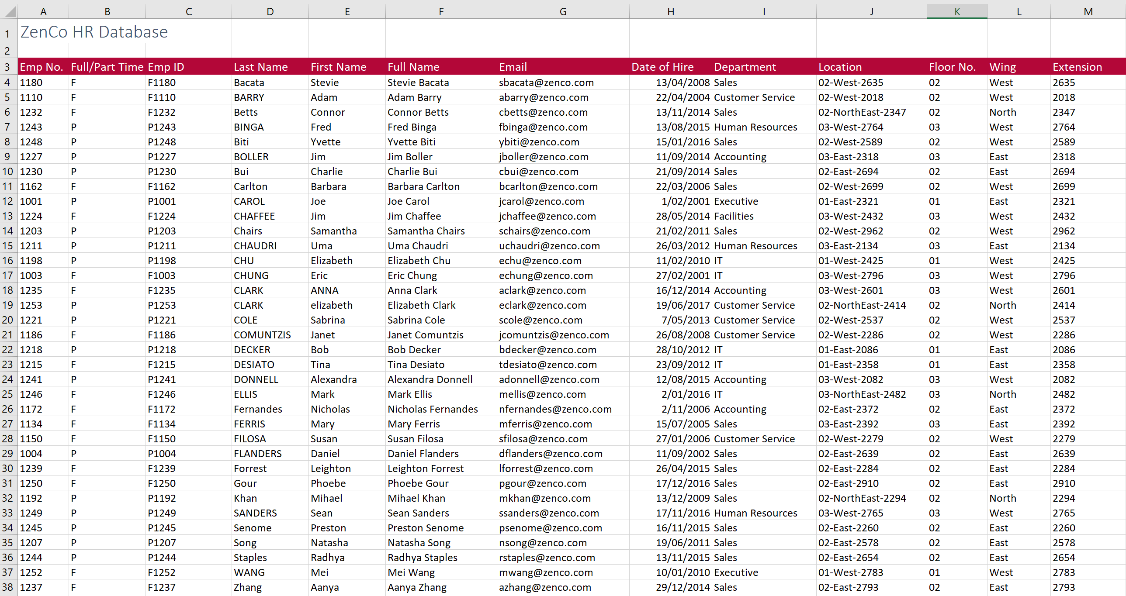

 |  | Excel Skills for Data Analytics and Visualization
 |  | Course 1 — Excel Fundamentals for Data Analysis

 |  | Week 1 Practice Challenge

Instructions
Scenario: We are an intern for the HR department at Zenco, who recently merged with another small company. HR wants to integrate their information into Zenco's database, but the information uploaded from the smaller company's database was messy.
All the following instructions are to be carried out in the HR Data sheet. To get help with the more difficult questions click on the Hint to the right.

1) | Each employee is given an ID, representing their status concatenated with their ID from their previous company. So, in C4, in the HR Data sheet join the data in A4 and B4 to create the employee ID F1180. Copy the formula down for the rest of the staff.

2) | It would be helpful in knowing the floor of the office building where each employee's office is located. In K4, extract just the floor number from J4 (first 2 numbers) and then copy it down.

3a) | Missing from the database is the employee's full name. In F4, generate the full name for each staff member by joining the first name, a space and the surname.
b) | You realize that due to the poorly managed servers, there are problems present with some of the names. Add another function to the calculation in F4 so that all the names show in Proper case and then copy the calculation down.

4a) | Give each employee an email address by joining the first letter of the first name, the surname and "@zenco.com" (Example: Sbacata@zenco.com) |  | Hint
b) | Adjust the emails so that they are all lowercase.

5a) | Each employee will work in a wind of HQ. In L4, extract the text between the two dashes (West) in Location then copy down to make sure it works for all staff. |  | Hint
b) | Due to construction, all employees located in the NorthEast wing will be temporallly relocated to the North wing. Adjust the formula in L4 so that all instances of NorthEast are replaced with just North and copy down again.

6a) | The last four digits in the Location field represent the office cubicle number. In M4, extract the last 4 characters from the Location in J4. Copy down
b) | You will notice that instead of getting four numbers you only got 3 or in some cases 2; adjust the formula so that you get the 4 digit extension code in each case. |  | Hint

The finished sheet should look like this:

